User Manual
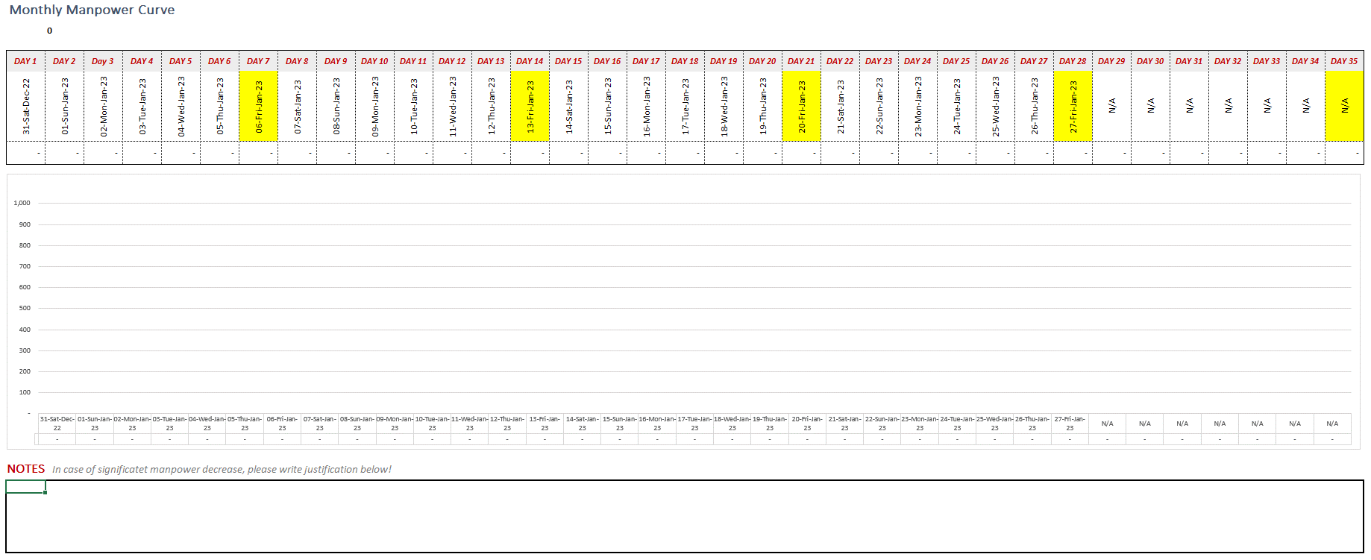
 |  |  |  | Year 2024 Calendar
General Notes
1 | Laborforce records shall be reported on a weekly basis
2 | A reporting week starts on Saturday
3 | The cutoff date of a reporting week is Friday
4 | Submission of Laborforce records is the following Saturday to the reporting week
5 | This template is updated to report Laborforce records over the 52 weeks of year 2024
6 | Monthly timeline doesn't start and end on first and last day of the month, since Laborforce reporting is on a weekly basis
 | This explains why Tab 01 is not the first day of the month
7 | Refer to Year2024 Calendar ahead, to know the start and finish date of every reporting week and how many weeks for each reporting month
8 | The workbook consists of 39 sheets/tabs as follows:

 | Partially Protected | Summary Tab | To show categorized Laborforce records along the reporting month.
 | Protected | Manual Tab | The current tab, it shows general guidelines and explains how to fillout this workbook
 | Unprotected | Tabs 01 To 35 | Every sheet/tab represents the Laborforce records for each day of the reporting month and should be filled by Project Team
 |  |  | For reporting months of 4 weeks, only 28 tabs will be used
 |  |  | For reporting months of 5 weeks, the 35 tabs will be used
 | Protected & Hidden | LISTS Tab | Contains drop-down lists for report attributes for proper data validtion during data entry process
 | Partially Protected | GRAPH Tab | Shows monthly Laborforce graph to visually check and validate Laborforce records before submission

How to fillout the sheet
1 | in Summary Tab, only fillout the Cells in Green as follows:
 | 1.1 | Select Reporting Data Date (Cut-off date) from the dropdown list at Cell A2
 |  | Once the reporting data date is selected the monthly Timeline will automatically get updated from Cell R1 to Cell AZ1

 | 1.2 | Select Program Code from the dropdown list at Cell B2

 | 1.3 | Select Asset Code from dropdown list at Cell D2

 | 1.4 | Select Package ID from dropdown list at Cell F2

 | 1.5 | Insert Package Name at Cell H2 as mentioned in Contract

 | 1.6 | Insert Vendor Name at Cell I2 as mentioned in Contract

 | 1.7 | Select Vendor Type from dropdown list at Cell J2

 | 1.8 | Insert Project Start Date at Cell K2

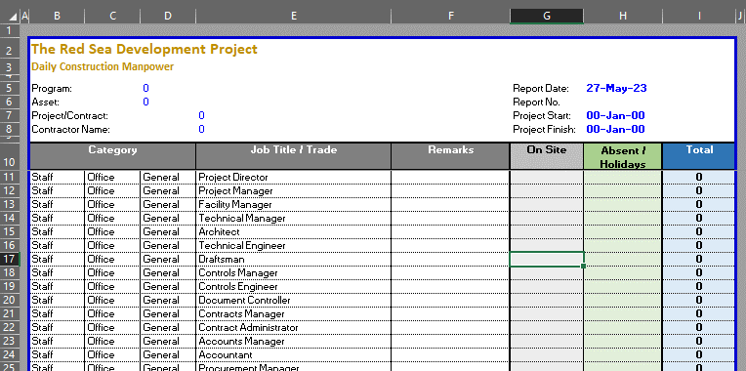
 | 1.9 | Insert Project Finish Date at Cell L2

 | 1.10 | Rename Summary Tab to reflect reporting month, Program, Asset, Package - DON'T REMOVE WORD SUMMARY
 |  | Example: jan24 R01-H13-C01 Summary

 | All Cells in Green must be filled

2 | in Tabs 01 till reporting date, fillout the Laborforce count at Columns G & H against their corressponding trade
 | Note that Absent means not performing at site BUT available at site camp Accomodation including Fridays

3 | Go to Summary Tab to make sure that all data entered are reflected properly

4 | Go to Graph Tab to check the trend of the weekly Laborforce records compared to previous week records
 | Write Justification in case of significant Laborforce decrease

 | Don't change records of previous weeks, it is useless, records of each individual week are extracted

GRAPH
Monthly Laborforce Curve
1.TB.02.012.02C05 | Fit-Out

DAY 1 | DAY 2 | Day 3 | DAY 4 | DAY 5 | DAY 6 | DAY 7 | DAY 8 | DAY 9 | DAY 10 | DAY 11 | DAY 12 | DAY 13 | DAY 14 | DAY 15 | DAY 16 | DAY 17 | DAY 18 | DAY 19 | DAY 20 | DAY 21 | DAY 22 | DAY 23 | DAY 24 | DAY 25 | DAY 26 | DAY 27 | DAY 28 | DAY 29 | DAY 30 | DAY 31 | DAY 32 | DAY 33 | DAY 34 | DAY 35
27-Sep-25 | 28-Sep-25 | 29-Sep-25 | 30-Sep-25 | 1-Oct-25 | 2-Oct-25 | 3-Oct-25 | 4-Oct-25 | 5-Oct-25 | 6-Oct-25 | 7-Oct-25 | 8-Oct-25 | 9-Oct-25 | 10-Oct-25 | 11-Oct-25 | 12-Oct-25 | 13-Oct-25 | 14-Oct-25 | 15-Oct-25 | 16-Oct-25 | 17-Oct-25 | 18-Oct-25 | 19-Oct-25 | 20-Oct-25 | 21-Oct-25 | 22-Oct-25 | 23-Oct-25 | 24-Oct-25 | 25-Oct-25 | 26-Oct-25 | 27-Oct-25 | 28-Oct-25 | 29-Oct-25 | 30-Oct-25 | 31-Oct-25
637 | 584 | 527 | 542 | 534 | 570 | 35 | 558 | 587 | 615 | 604 | 610 | 566 | 32 | 564 | 545 | 574 | 589 | 585 | 607 | - | 587 | 589 | 597 | 514 | 663 | 678 | 31 | 678 | 666 | 648 | 607 | 636 | 706 | -

NOTES | In case of significatet manpower decrease, please write justification below!

